Sheet1
mc = milk and coffee
notm_c = not milk but coffee
m_notc = milk but no coffee
notm_notc = no milk and no coffee

 | MC | notm_C | M_notc | notm_notc | all_receipcts_Milk | all_receipcts_Coffee | all_receipcts | support_Milk | support_Coffee | suppMC | confMC | lift | Kulczynski | IR | Reading | Cosine
transaction dataset 1 | 10,000 | 1,000 | 1,000 | 100,000 | 11,000 | 11,000 | 112,000 | 0.10 | 0.10 | 0.09 | 0.91 | 9.26 | 0.91 | - |  | 0.91
transaction dataset 2 | 10,000 | 1,000 | 1,000 | 100 | 11,000 | 11,000 | 12,100 | 0.91 | 0.91 | 0.83 | 0.91 | 1.00 | 0.91 | - |  | 0.91
transaction dataset 3 | 100 | 1,000 | 1,000 | 100,000 | 1,100 | 1,100 | 102,100 | 0.01 | 0.01 | 0.00 | 0.09 | 8.44 | 0.09 | - |  | 0.09
transaction dataset 4 | 1,000 | 1,000 | 1,000 | 100,000 | 2,000 | 2,000 | 103,000 | 0.02 | 0.02 | 0.01 | 0.50 | 25.75 | 0.50 | - | neutral (Kulc), balanced (IR) | 0.50
transaction dataset 5 | 1,000 | 100 | 10,000 | 100,000 | 11,000 | 1,100 | 111,100 | 0.10 | 0.01 | 0.01 | 0.09 | 9.18 | 0.50 | 0.89 | neutral (Kulc), inbalanced (IR) | 0.29
 | 1,000 | 10 | 100,000 | 100,000 | 101,000 | 1,010 | 201,010 | 0.50 | 0.01 | 0.00 | 0.01 | 1.97 | 0.50 | 0.99 | neutral (Kulc), very inbalanced (IR) | 0.10
 |  |  |  |  |  |  |  | 0.01 | 0.02 | 0.00 | 0.07 |  | 0.05 | 0.42 |  | 0.04
 |  |  |  |  |  |  |  | 0.0822591 | 0.0174346 | 0.00 |  |  | 0.07 | 0.66 |  | 0.05

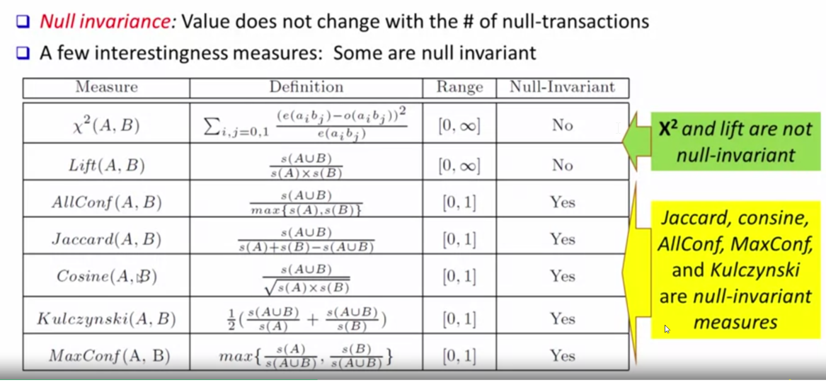
So completely uninteresting rules would have both Kulczynski=0.5 and IR=0
IR shows the balance [0,1]
Kulczynski [0,1], shows the balance

If Kulczynski is near 0 or 1, then we have an interesting rule that is negatively or positively associated respectively. If Kulczynski is near 0.5, then we may or may not have an interesting rule.

To differentiate between the two situations, we can look at Imbalance Ratio where 0 is perfectly balanced and 1 is very skewed

